PRD
Product Requirement Document (PRD) - Version: 1.0

Template Name |  | Task Management App
Goals & Objective |  | The goal of this platform is to enable efficient, organized, and collaborative task handling across departments and teams. - Admins can manage users and system settings - Users can create, update, and track tasks - Tasks can be filtered by status - Commenting and reporting features included
Client Information
Product Type |  | Web Application
Domain |  | Web2
Access Layers |  | Admin
Design Required |  | Yes

Phase | Item No | Specification [Role] | Screen Definition | User Story | Acceptance Criteria | UI Screen / Wireframe | Tags
phase 1 | 1 | Menu [Admin] | - Dashboard - Workspace - Users - Tasks - Meetings - Chats - Timesheet - Reports - Settings | The navigation between sections is expected to be done by the Admin using the sidebar to manage each feature. | - Menu is visible on the left - All options link to respective pages |  | Navigation, Admin
phase 1 | 2 | Top Bar | - Admin Profile with dropdown - Bell Icon for Notifications - Mail Icon for Messages | Quick access to profile, notifications, and messages is expected to be provided to the Admin. | - Profile name visible - On click, shows "View Profile", "Logout", etc. |  | Header
phase 1 | 3 | Dashboard [Admin] | - Activity log - Scheduled events - Task progress overview - Task summary (status-wise) | A summary of activity, events, and progress is expected to be displayed to the Admin in a single view. | - Activity updates in real-time - Shows upcoming meetings - Task summary grouped by status | 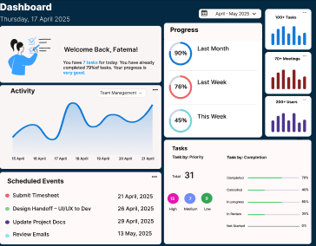 | Admin, Dashboard
phase 1 | 4 | Settings [Admin] | - Profile - Accounts - Calendar and Time - Notifications - Storage | Preferences and account settings are expected to be updated by the Admin through this section. | - Each section clickable - Data saves successfully on update | 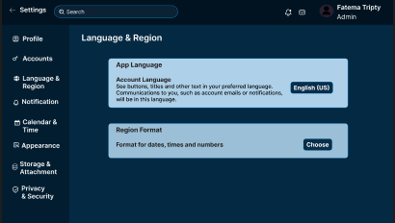 | Admin, Settings
 | 5 | Tasks [Admin] | - Task List - Create/Edit/Delete Task - Assign Task - Add Comments - Status Tracking - Generate PDF | Tasks are expected to be created, modified, assigned, and reported by the Admin. | - Can add/update/delete tasks - Task must have title, description, assignee - PDF generates correctly |  | Tasks, Reports
 | 6 | Workspace [Admin] | - Workspace overview - Add or remove team members - Set workspace goals and deadlines | Workspaces are expected to be organized, updated, and managed by the Admin to align team productivity. | - Workspace list view - Member roles editable - Goal-setting and deadline functionality |  | Workspace, Team
 | 7 | Users [Admin] | - List of users - Create, update, delete users - Assign roles | User accounts and permissions are expected to be managed by the Admin. | - Users listed with roles - CRUD operations work as intended - Roles assigned properly |  | Admin, User Management
 | 8 | Meetings [Admin] | - Schedule meetings - View meeting calendar - Send invites | Meetings are expected to be scheduled and tracked through this feature. | - Meetings visible on calendar - Invite functionality works - Notification sent on meeting creation |  | Meetings, Calendar
 | 9 | Chats [Admin] | - Direct messages - Group chats - Search chat history | Communication between users is expected to be facilitated through chat functionality. | - Messages sent and received in real-time - History searchable - Group creation allowed |  | Messaging, Communication
 | 10 | Timesheet [Admin] | - Log working hours - View time reports - Export timesheet | Working hours are expected to be logged and reviewed via the timesheet feature. | - Users can log time - Admins can view summaries - Export in Excel or PDF supported |  | Time Tracking, Reports

